Sheet1
 |  | Document No. | Issue No. | Issue Date |  |  | Review and Replace Date |  | Authorised By
 |  | GFF018MC | 4 | 28.09.2018 |  |  | 14.06.2024 |  | Magda Shah
 |  | Document Title | 2 Mushroom, Ricotta & Spinach Parcels 300g
Document amendments reason for change |  | Recipe & Packaging changed |  | Page 1 of 1 |  | Previous Issue Date |  | 09.12.2021 | Uncontrolled copy unless signed original

CVCMRP-R6TEB | BOOTHS |  | 2 MUSHROOM, RICOTTA & SPINACH PARCELS 300g
STEP 1 |  |  |  |  | STEP 2
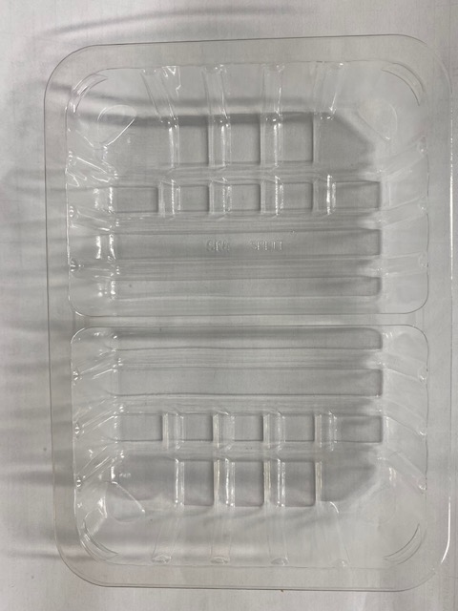 |  |  |  |  | 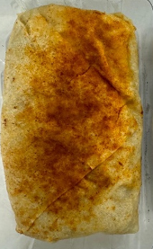

Tray: SK4 Split (PKESS001-06) |  |  |  |  | 2 x Mushroom, Spinach & Ricotta Cheese Parcel (GFF222R) 2 x 150g

Film: K peel 7G+25A/f- 275mm (275 mmX1000) (PKKMP001-03)

STEP 3
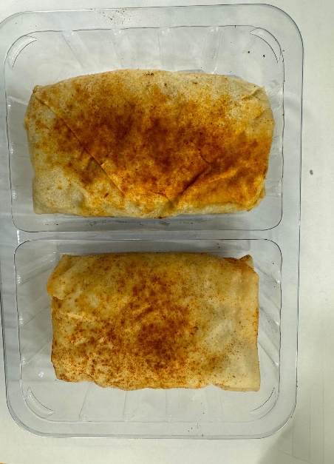

TOTAL WEIGHT: 300g

ALLERGY ALERT: MILK, WHEAT

